JSON
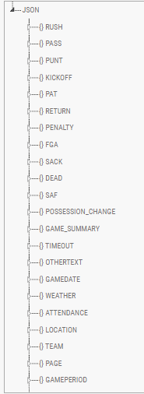
Pass |  | Punt
pass | type | Scrim
passed | Marks
passes |  | punt
throw |  | punts
throws |  | punted
threw |  | faircatch
thrown
hand-off
screen
find
finds
pitch-out
pitch out
pitchout
hand-off
hand
hands
handed

